시트8
 | EXECUTION TIME |  |  |  | (43008,43008)로 했는데 시간이 왜 이렇게 작을까.. |  |  | CACHE HIT RATE
 | 단독 | ATAX1 | MVT1 | ATAX1 | BICG1 | ATAX2개 |  | 단독 | ATAX1 | MVT1 | ATAX1 | BICG1
ATAX1 | 342.64 | 337.8 | 335.92 | 334.78 | 22.082 | 342.42 |  | 16.57 | 16.55 | 16.6 |  | 59.97
 | 339.63 | 337.51 | 342.38 | 337.13 | 22.278 | 340.87 |  | 16.58 | 16.64 | 1.64 |  | 59.97
 | 336.14 | 336.6 | 341.12 | 335.87 | 23.25 | 343.33 |  | 16.56 | 16.64 | 16.55 |  | 59.97
 | 343.23 | 340.87 | 338 | 342.33 | 22.064 | 346.82 |  | 16.58 | 16.57 | 16.58 |  | 59.97
 | 339.88 | 343.55 | 335.95 | 338.34 | 23.262 | 342.97 |  | 16.58 | 16.53 | 16.56 |  | 59.97
 | 338.29 | 337.17 | 345.1 | 337.15 | 22.481 | 340.7 |  | 16.58 | 16.59 | 16.59 | 16.58 | 59.97
 | 336.25 | 343.97 | 337.73 | 341.36 | 22.092 | 346.02 |  | 16.58 | 16.57 | 16.6 |  | 59.97
 | 340.61 | 359.26 | 344.39 | 338.91 | 23.253 | 342.93 |  | 16.57 | 16.58 | 16.59 | 16.59 | 59.97
 | 336.24 | 336.7 | 342.68 | 393.94 | 46.661 | 341.92 |  | 16.58 | 16.6 | 16.61 |  | 59.97
 | 335.09 | 339.68 | 341.36 | 336.45 | 22.542 | 343.56 |  | 16.57 | 16.62 | 16.56 | 16.59 | 59.97
 | 338.8 | 341.311 | 340.463 | 343.626 | 24.9965 | 343.154 |  | 16.575 | 16.589 | 15.088 | 16.58666667 | 59.97
 | 단독 | BICG1 | MVT1 | BICG1 | ATAX2 | BICG2개 |  | 단독 | BICG1 | MVT1 | BICG1 | ATAX2 |  | BICG1 | 2MM1 | BICG1 | 2MM1
BICG1 | 22.089 | 23.263 | 336.78 | 22.093 | 22.521 | 22.463 |  | 59.97 | 59.97 | 16.6 | 59.97 | 59.97 |  | 22.09 | 138.168 | 59.97
 | 22.069 | 22.51 | 339.65 | 22.077 | 22.494 | 22.537 |  | 59.97 | 59.97 | 16.59 | 59.97 | 59.97 |  | 같이 실행하는게 짧아서 cache hit rate 변화가 없는가해서 긴 거랑 해봤는데 여전히 59.97
 | 23.122 | 22.528 | 338.47 | 22.113 | 22.493 | 22.545 |  | 59.97 | 59.97 | 16.59 | 59.97 | 59.97
 | 22.105 | 22.509 | 338.27 | 22.101 | 22.457 | 22.518 |  | 59.97 | 59.97 | 16.56 | 59.97 | 59.97
 | 22.072 | 22.101 | 343.59 | 22.116 | 22.224 | 22.561 |  | 59.97 | 59.97 | 16.59 | 59.97 | 59.97
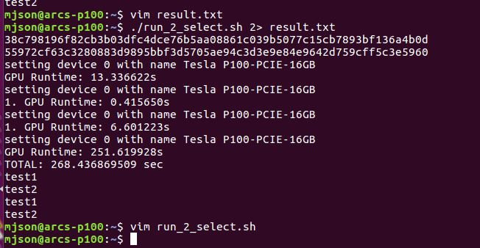
 | 22.106 | 22.49 | 337.08 | 22.08 | 22.426 | 22.487 |  | 59.97 | 59.97 | 16.58 | 59.97 | 59.97
 | 22.058 | 22.1 | 342.06 | 22.105 | 23.211 | 23.267 |  | 59.97 | 59.97 | 16.54 | 59.97 | 59.97
 | 22.126 | 22.489 | 338.43 | 22.53 | 22.05 | 22.547 |  | 59.97 | 59.97 | 16.61 | 59.97 | 59.97
 | 22.097 | 22.541 | 337.17 | 22.513 | 22.081 | 22.481 |  | 59.97 | 59.97 | 16.6 | 59.97 | 59.97
 | 23.124 | 22.539 | 338.54 | 23.257 | 22.076 | 22.524 |  | 59.97 | 59.97 | 16.55 | 59.97 | 59.97
 | 22.2968 | 22.507 | 339.004 | 22.2985 | 22.4033 | 22.593 |  | 59.97 | 59.97 | 16.581 | 59.97 | 59.97

 |  |  |  |  | 단독 | with 본인 | with GREEN | with WHITE
 |  |  | ATAX1 | TIME | 338.8 | 343.154 | 341.311 | 343.626
 |  |  |  | CACHE | 16.575 | 출력 안 됨.. | 16.589 | 16.586666667 | 왜 늘어나지.. |  |  |  | ATAX랑 GRAMSCHMIDT 동시에 실행 시,
 |  |  | BICG1 | TIME | 22.2968 | 22.593 | 22.507 | 22.2985 |  |  |  |  | 노랑색은 이상하게 cache hit rate 측정할 때가 실행 시간 측정할 때보다 엄청 오래 걸려서 포기..
 |  |  |  | CACHE | 59.97 | 출력 안 됨.. | 59.97 | 59.97 |  |  |  |  | 그래서 corr중에서 corr_kernel만 빼고 해봤지만 비슷한 현상..

